Task 2
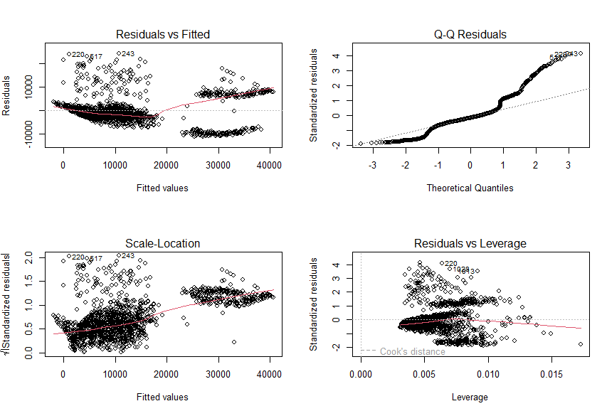
 |  | TASK 2

Q1 | Check the type of each variable and print first few observations.

Solution | Printing the type of each variable |  |  | Printing first few observations
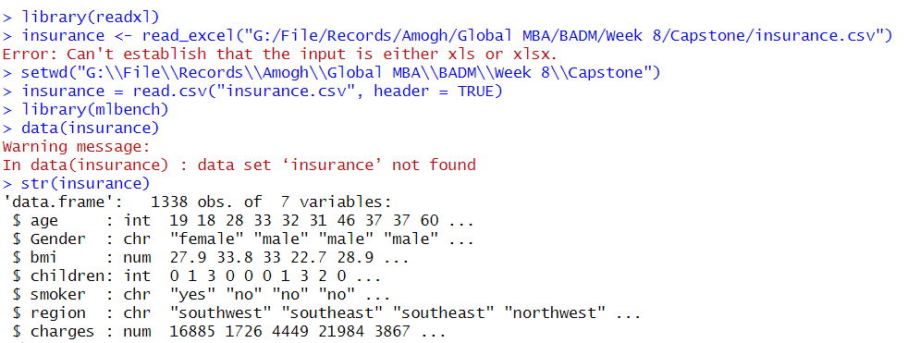
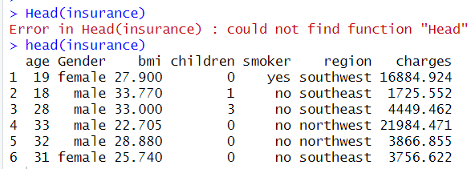

Q2. | Check if there any missing values in the dataset.

Solution | Checking for null/missing values in the dataset.

Q3. | Fit a multiple linear regression.

Solution | 1. Categorical variables to numeric conversion & fitting regression. |  | 4. Dropping Gender & Region and reassessing the model fit.
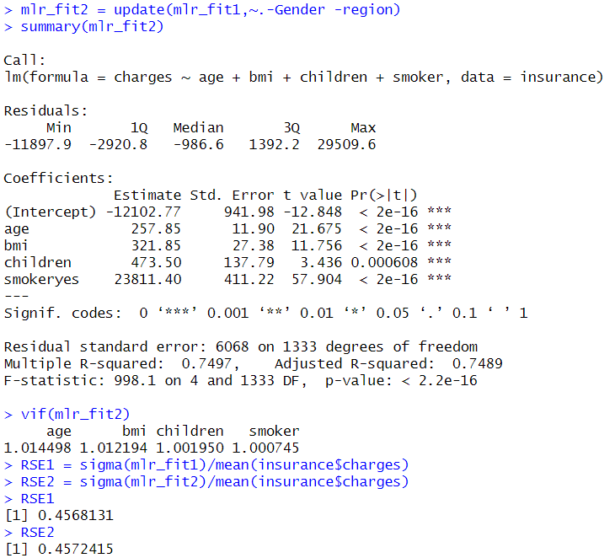

 | 2. Linear modelling for all variables in the dataset
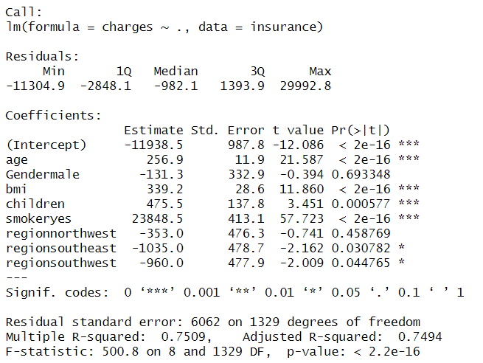

 | 3. Calculation of variance inflation factor (VIF) for the model. |  | 4. Correlation between each Predictor (BMI, Age, Children, Smoker) and Response (Charges)
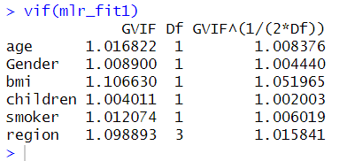
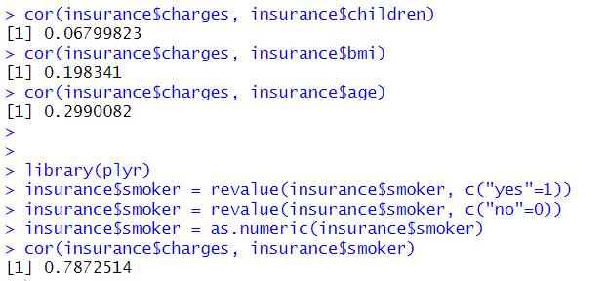

 | 5. Plotting the updated fit

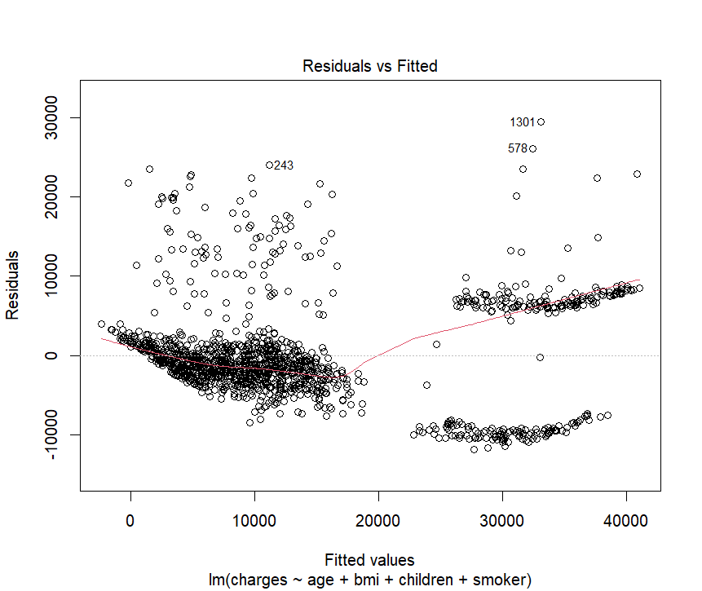
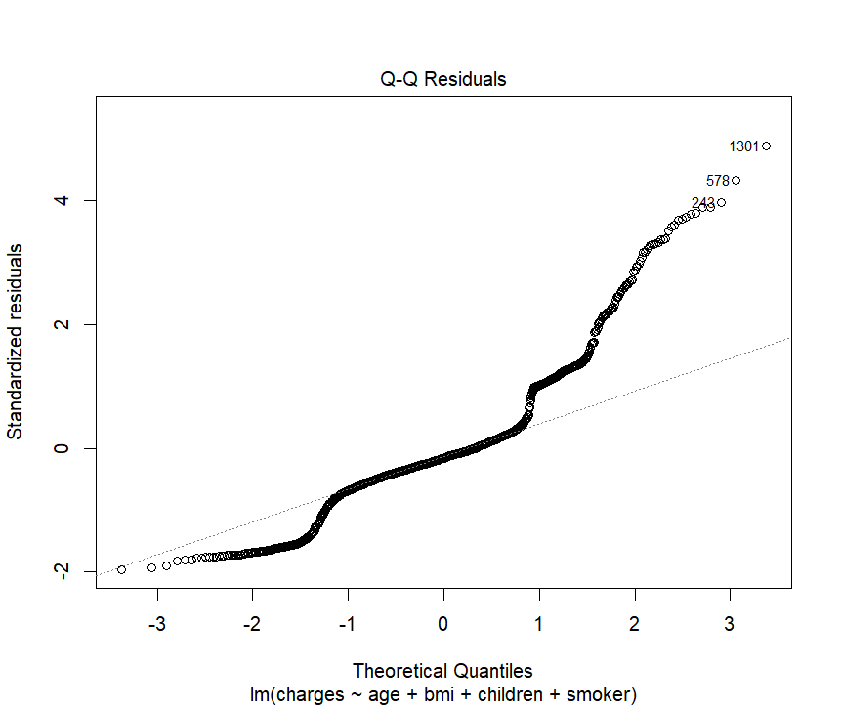
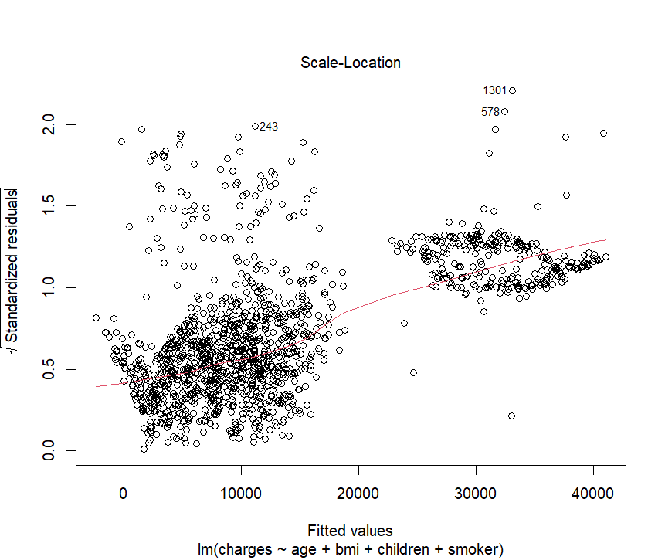
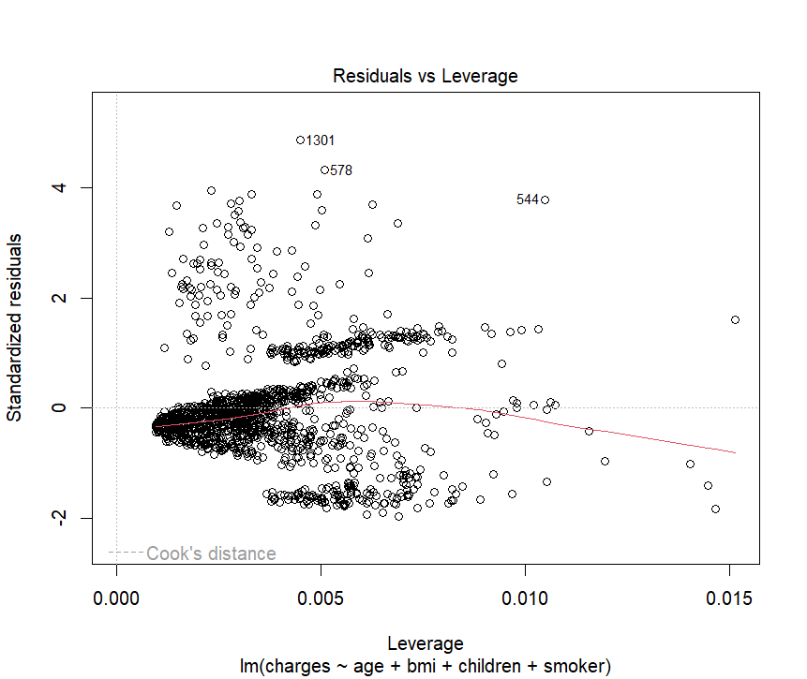

Q4. | Check for multicollinearity and remove the variables with VIF more than or equal to 10.
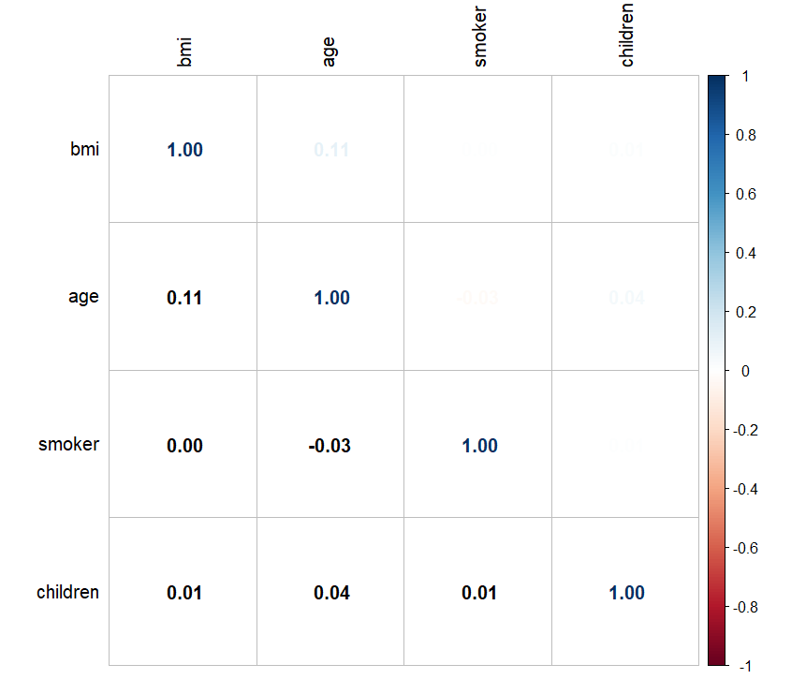
Solution

 | Conclusion: No variables have VIF more than or equal to 10.

Q5. | List the significant variables, interpret the adjusted R square plot the residuals.

Solution | From the below Linear regression model and the coefficients, it is clear that age, bmi, childrenand smokeryes are significant variables.
 | Model assessment metrics gives a clear indication that percentage errors are high, therefore, we need to go for residual diagnosis.
 | Accuracy of the model is not to the mark as per the adjusted R square as it is remains same in both the models.

Q6. | Check if there is any pattern or is it randomly distributed?

Solution: | There is slight up trend in residuals to Fitted values.
 | From the QQ plot, residuals are deviated from normal distribution
 | Hence, having a simpler model is better for interpretation.

Graphs
TASK 1 Q2
 | horsepower |  | price

 | Mean | 104.75121951 | Mean | 13352.2
 | Standard Error | 2.7859313507 | Standard Error | 555.92276159
 | Median | 95 | Median | 10595
 | Mode | 68 | Mode | 16500
 | Standard Deviation | 39.888466574 | Standard Deviation | 7959.6026254
 | Sample Variance | 1591.0897657 | Sample Variance | 63355273.955
 | Kurtosis | 2.45416146 | Kurtosis | 2.9819239683
 | Skewness | 1.3525565995 | Skewness | 1.7421533703
 | Range | 240 | Range | 40282
 | Minimum | 48 | Minimum | 5118
 | Maximum | 288 | Maximum | 45400
 | Sum | 21474 | Sum | 2737201
 | Count | 205 | Count | 205

Count of body-style
 | Total
convertible | 6
hardtop | 8
hatchback | 70
sedan | 96
wagon | 25

